Types of Projects
🏗️ PART 1: Project Taxonomy for Social Housing & Local Council Delivery

O. Input the following
Contract name
Contract manager
Principle designer
Main Contractor
Contract value
Date of award
Planned end date
Number of blocks in programme
Number of units in programme

Startinf choosing….

A. By Tenure & Occupancy Type

Type | Description | Key Regulatory Hooks
Social Rent | Rents set at ~50-60% market rate, allocated via housing register | RSH Consumer Standards, Decent Homes Standard, HHSRS
Affordable Rent | Up to 80% market rent | Same as social rent + Homes England grant conditions
Supported Housing | Housing with care/support (older people, disabilities, homelessness) | Care Quality Commission (if regulated), Supported Housing (Regulatory Oversight) Act 2023
Temporary/Emergency Accommodation | Short-term housing for homeless households | Homelessness Reduction Act 2017, HHSRS, fire safety enhancements
Leasehold/Shared Ownership | Partial ownership models | Landlord & Tenant Act 1985 (Sections 11, 20), Leasehold Reform Act 2022
Market Sale (via S106) | Private sale units delivered as planning obligation | Section 106 monitoring, Building Regulations, Consumer Code for Home Builders

B. By Project Type

Model | Description | Compliance Complexity
New Build – General Needs | Standard residential units | Building Safety Act, Part L/F/M regulations, RSH standards
New Build – Higher-Risk Building (HRB) | ≥18m or ≥7 storeys residential | Gateway 1/2/3, BSR oversight, Safety Case Report, Golden Thread
Retrofit/Decarbonisation | EPC upgrades, heat pumps, insulation | PAS 2035/2030, MEES, TrustMark, ECO4 funding rules
Acquisition (Off-the-Shelf/ESP) | Purchase of existing stock | Due diligence checks, HHSRS, EPC minimums, procurement law
Conversion/Change of Use | e.g., office-to-resi, commercial-to-housing | Planning permission, Building Regs Part B/M, fire strategy review
Mixed-Use Development | Residential + commercial/retail/office | Dual compliance tracks: commercial fire codes + housing standards
Framework/Programme Delivery | Multiple sites under one contract/programme | Programme-level reporting, Homes England milestone claims, audit trails
Regeneration
Refurbishment
Demilotion
Maintenance
Capital Project

C. By Funding Source (critical for compliance triggers)

Source | Key Conditions | Monitoring Body
Homes England AHP/SAHP | Grant conditions, cost thresholds, tenure mix, completion deadlines | Homes England, RSH
GLA Affordable Housing Programme | London-specific standards, design review, affordability tests | Greater London Authority
Decent Homes Programme / Social Housing Decarbonisation Fund | Technical specs, PAS 2035, tenant engagement, post-installation verification | DESNZ, BEIS
Section 106 / CIL | Legal agreements, affordable housing quotas, infrastructure contributions | Local Planning Authority
Prudential Borrowing (Council HRA) | Business case approval, viability testing, debt covenants | MHCLG/DLUHC, external auditors
Private Finance / JV | Investor covenants, return hurdles, risk allocation | Lenders, legal counsel

Project Characteristics — tick all that apply
🤖 PART 2: AI Diagnostic Questionnaire Framework

Your AI should ask these questions in sequence to build a compliance profile. Each answer narrows the regulatory universe.

🔹 Phase 1: Project Identity
1. Is this project led by a Local Authority, Housing Association, or joint venture?
2. What is the primary tenure mix? (Social Rent / Affordable Rent / Shared Ownership / Market Sale / Supported)
3. Is any part of the development ≥18m in height or ≥7 storeys? → Triggers Building Safety Regulator oversight
4. Does the project include non-residential elements? (Retail, office, community space) → Adds commercial compliance layer
5. Is this a new build, retrofit, conversion, or acquisition?
5

🔹 Phase 2: Funding & Procurement
6. Is public grant funding involved? (Homes England, GLA, SHDF, etc.) → Activates grant condition tracker
7. Is the project subject to a Section 106 agreement or planning condition? → Adds planning obligation monitor
8. What procurement route is being used? (OJEU, framework, direct award, off-the-shelf) → Triggers PCR 2015 / Social Value Act checks
9. Are there leaseholder-owned units or shared ownership plots? → Activates Section 20 consultation workflow
4

🔹 Phase 3: Risk & Occupancy Profile
10. Will the building house vulnerable occupants? (Older people, disabilities, care needs) → Adds CQC, supported housing standards
11. Is the site in a flood zone, conservation area, or near protected habitats? → Triggers EA, Historic England, biodiversity checks
12. Does the project involve damp/mould remediation or hazardous materials? → Activates Awaab's Law (Section 10A) timeline tracker
13. Are there existing residents on-site during works? → Adds safeguarding, decanting, tenant communication protocols
4

🔹 Phase 4: Delivery & Handover

14. What is the target completion date? → Sets milestone alerts for grant claims, planning discharge, BSR gateway submissions
15. Who is the accountable person(s) under the Building Safety Act? → Configures Golden Thread data capture
16. What warranty/provider is being used? (NHBC, LABC, self-cert) → Sets quality inspection schedule
17. Will digital asset data (BIM, O&M manuals) be delivered? → Activates Golden Thread / ISO 19650 compliance tracker

⚙️ PART 3: Compliance Mapping Logic (Rules Engine)

Once the AI has answers, it maps to a compliance matrix:

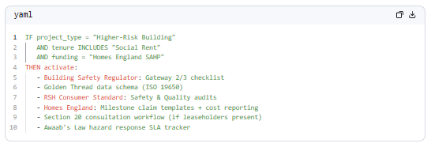
yaml
1
2
3
4
5
6
7
8
9
10

Example Alert Triggers:

Trigger Condition | Alert Type | Recipient | Action Required
Gateway 2 submission due in 30 days | High-priority deadline | Project Manager, BSR Lead | Upload Safety Case Report
Section 20 consultation window opens | Workflow alert | Legal, Tenant Engagement | Issue consultation notices
EPC target not met post-retrofit | Compliance breach | Retrofit Manager, RSH Liaison | Submit remediation plan
Homes England milestone claim overdue | Financial risk | Finance, Programme Director | Submit evidence or request extension
Damp/mould report received | Statutory SLA | Repairs Team, RSH Compliance | Investigate within 7 days (Awaab's Law)

📊 PART 4: Dashboard & Tracker Configuration Logic

Your autopilot should auto-generate:

A. Project-Specific Dashboard Modules
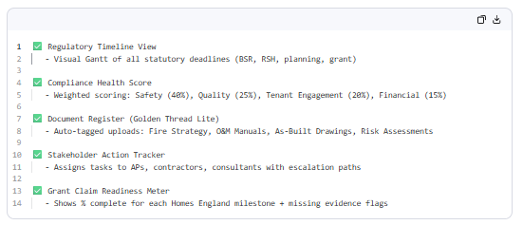
1
2
3
4
5
6
7
8
9
10
11
12
13
14

B. Alert Rules Engine (Configurable by Project Type)

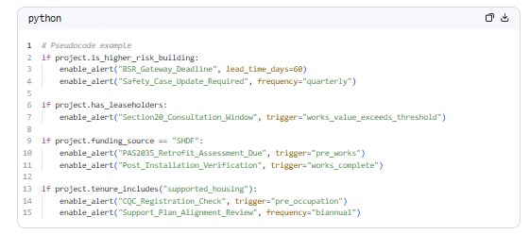
python
1
2
3
4
5
6
7
8
9
10
11
12
13
🧭 Implementation Recommendations

1. Start with a rules ontology: Build a knowledge graph linking project attributes → regulations → evidence requirements → alert logic.
2. Use modular compliance packs: Pre-configure "compliance bundles" for common project archetypes (e.g., "HRB Social Rent New Build + SHDF Retrofit").
3. Integrate with existing systems: Pull data from planning portals, grant management platforms, and asset databases to reduce manual entry.
4. Build in audit trails: Every alert, document upload, and decision should be timestamped and attributable for RSH/Homes England audits.
5. Allow human override: Compliance is nuanced — let officers flag edge cases for manual review while the AI learns.

✅ Quick-Start Checklist for Your Autopilot MVP

Define 5-10 core project archetypes to support initially
Map each archetype to its top 10 regulatory obligations
Build the diagnostic questionnaire (Phases 1-4 above)
Create alert templates for high-risk triggers (BSR deadlines, Section 20, Awaab's Law)
Design dashboard widgets that show compliance status at a glance
Pilot with one project type (e.g., "Social Rent New Build <18m") before scaling

This framework gives you a scalable, intelligent foundation for a true compliance autopilot — reducing risk, saving officer time, and ensuring no regulatory obligation falls through the cracks.

Tracker
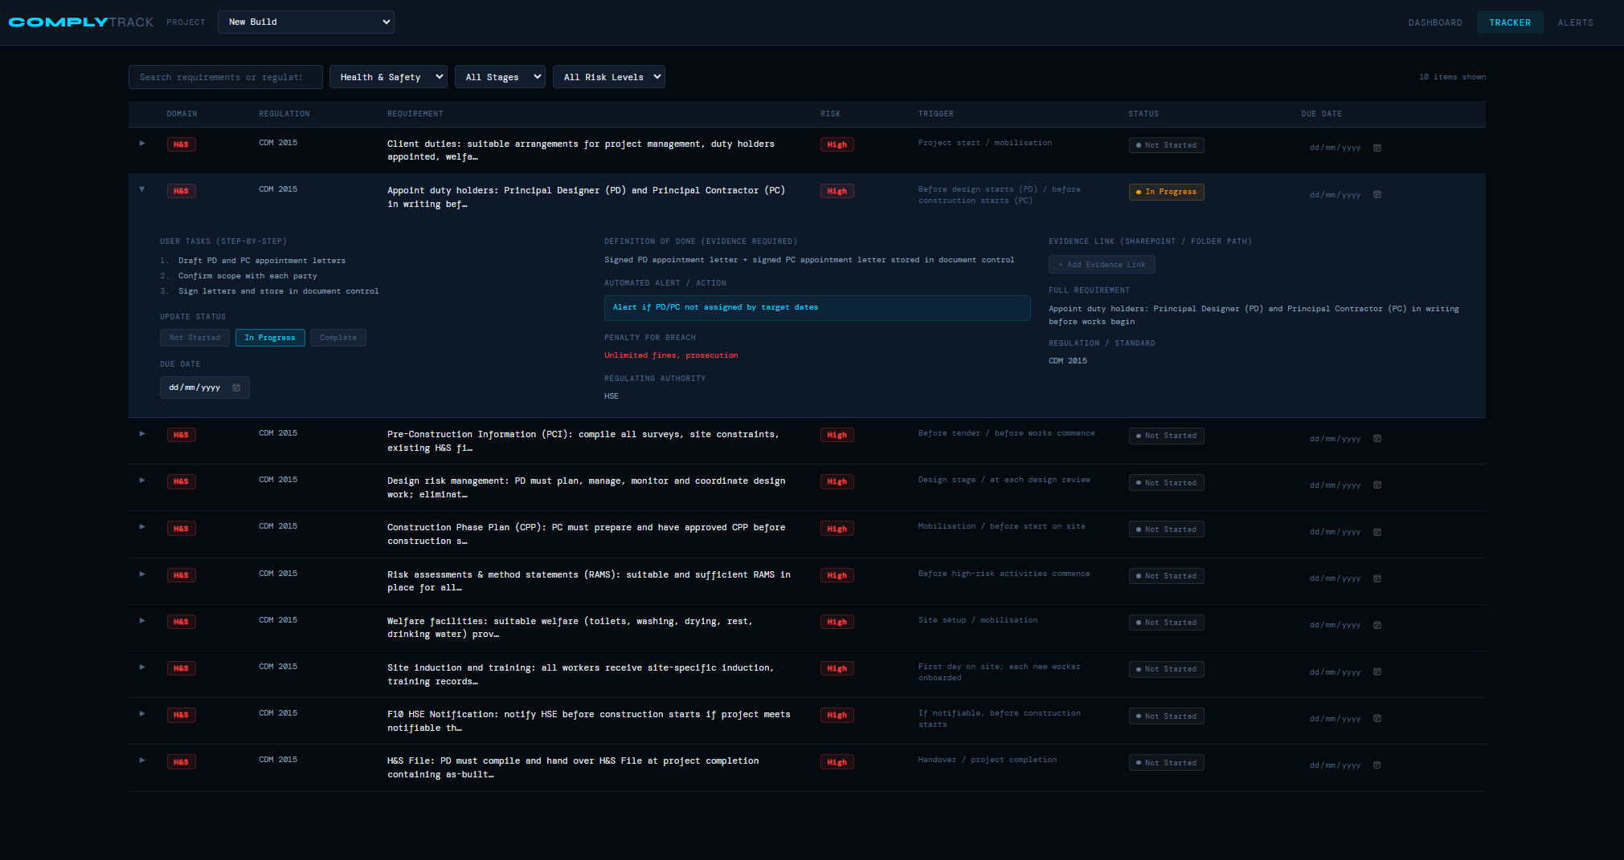
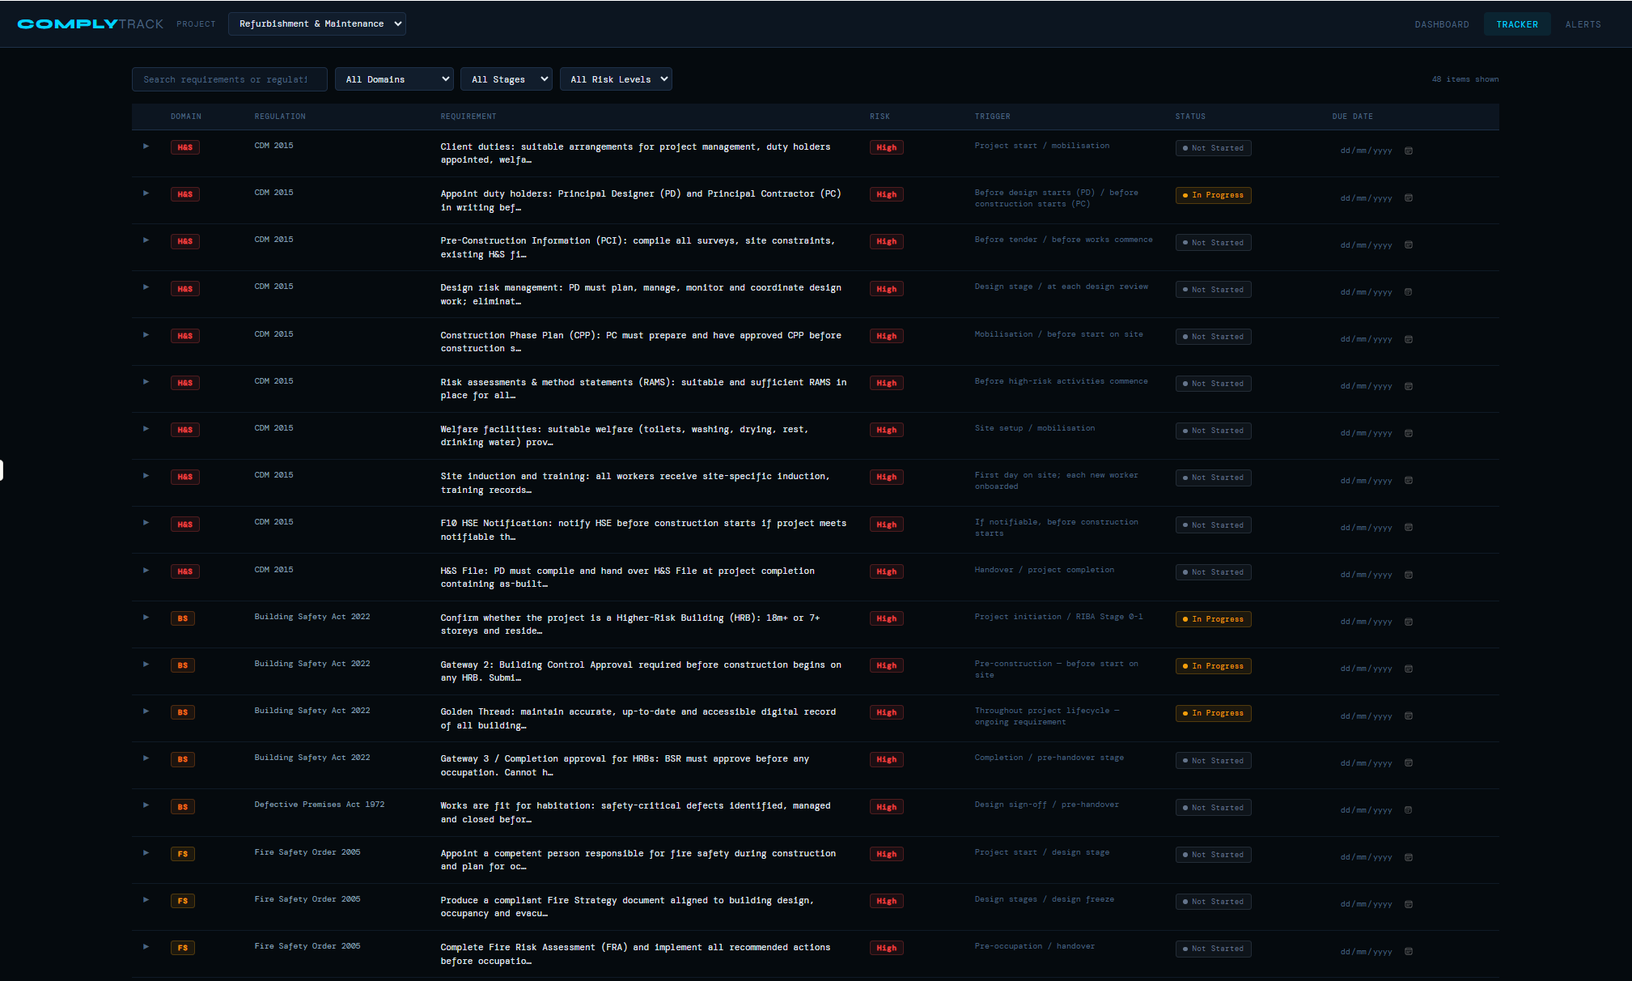
Reffurbihmnet and Maintenance
New Build
Regeneration
Capital Project
Asset Management

All Domains
Health & Safety
Building Safety
Fire Safety
Building Control
Planning
Procurement
Environmental
Quality
Utilities
Data & Records

All stages
Not started
In progress
Completed

Risk Level

Alerts
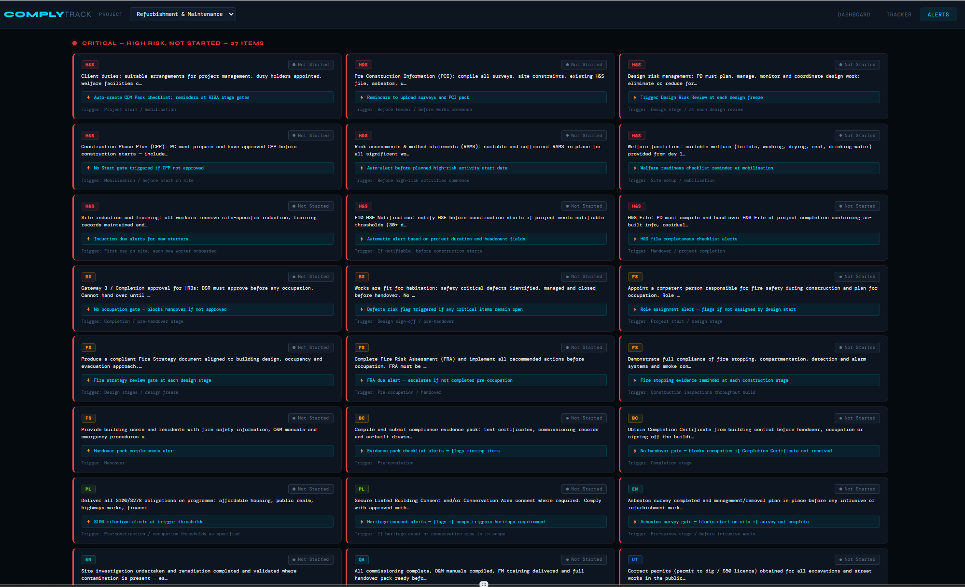

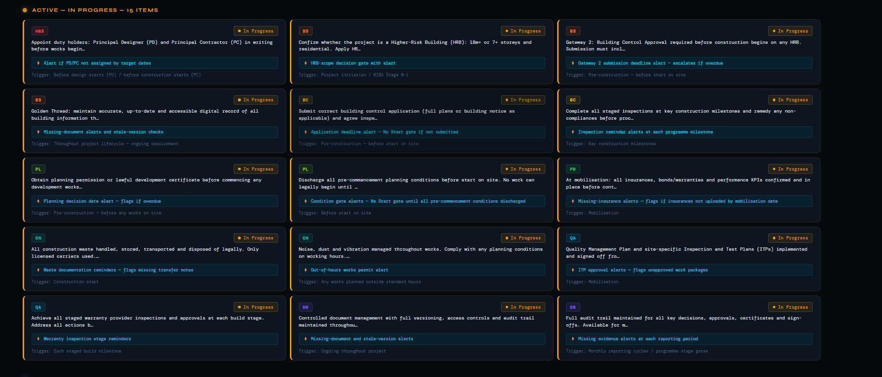

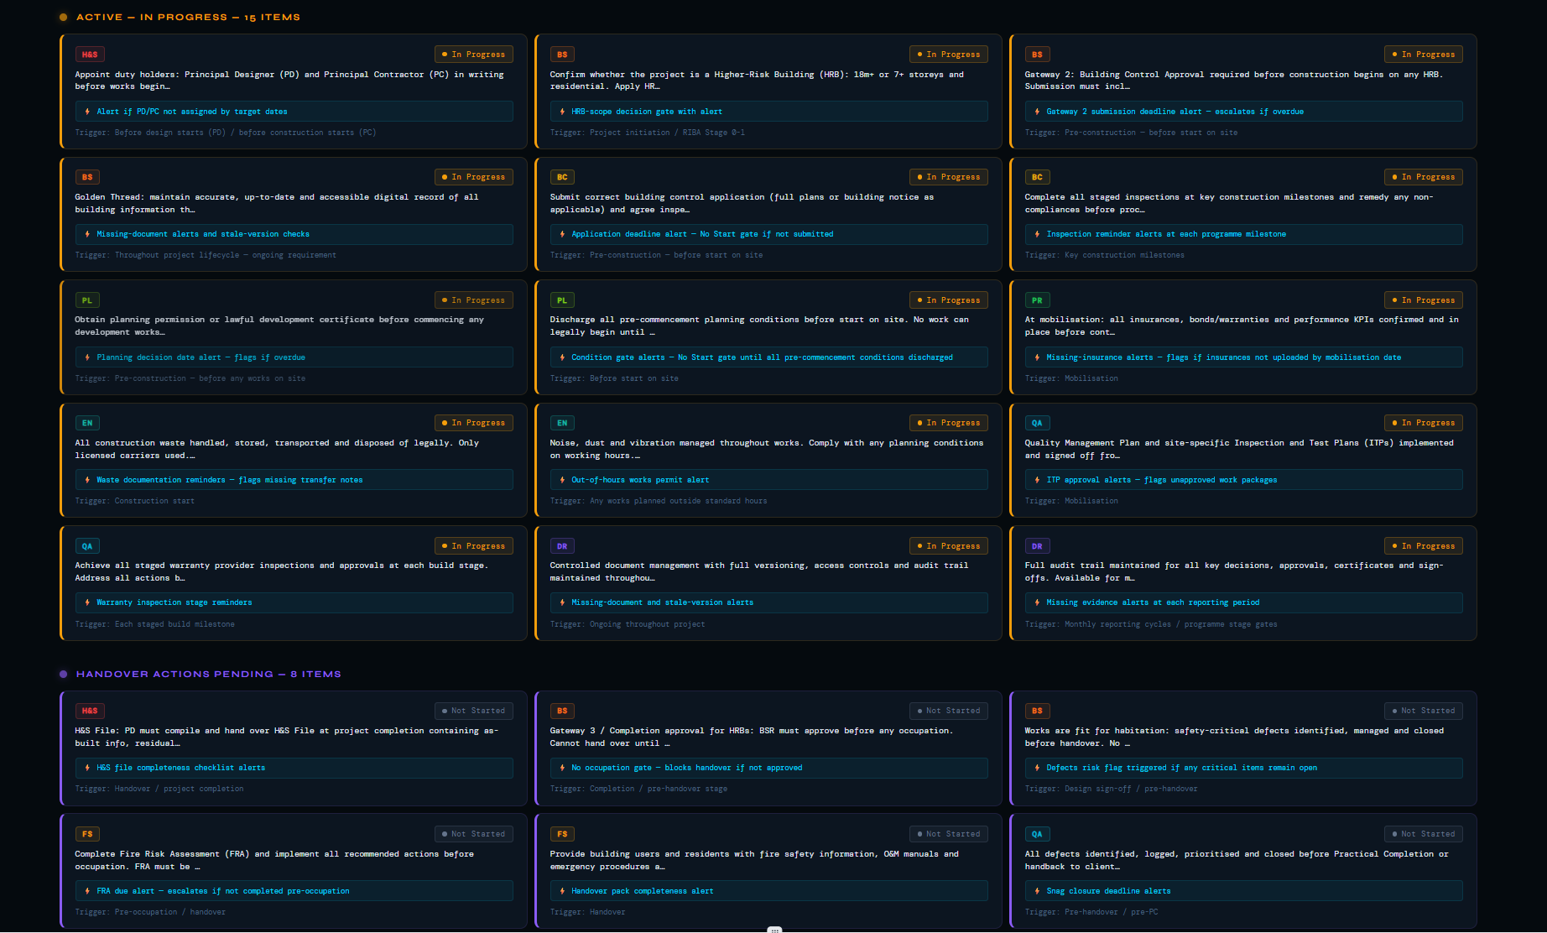

Dashboard
